TestSummary
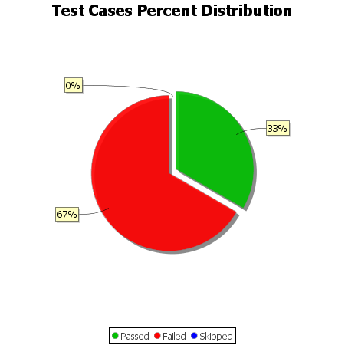
Total Test Cases | 9
Test Cases Passed | 3
Test Cases Failed | 6
Test Cases Skipped | 0

